1. Title Page
[Project Name]

Project Name: Instacart Grocery Basket Analysis
Date: 13.6.2024
Analyst Name: Susanne Majcug

Contents:
Population Flow
Consistency checks
Wrangling steps
Column derivations
Visualizations
Recommendations

Data citation:
Primary Dataset:
“The Instacart Online Grocery Shopping Dataset 2017,” previously available at www.instacart.com/datasets/grocery-shopping-2017.
Supplementary Dataset:
Additional customer data provided (CareerFoundry).

2. Population Flow
Title page

Population flow

Exclusion flag
Condition: max_order <
Obervations to be removed:
Final total count of order_products_all:

Orders_products_combined
Orders_products_merged
Orders_products_all

Total: 32.640.698, 11
Total: 32.641.268, 15
Total: 32.641.268, 31

1.) The grey boxes in the first row of the population flow represent the original data sets as they were when you downloaded them. In the Total fields you need to add the count of the rows when you imported the data set into Jupyter.
2.) The second row of boxes (coloured) represents the data sets after you manipulated them, e.g., removed missing values and duplicates. In the Total fields you need to add the count of the rows after conducting these operations. This offers a visual oveview of how the data flows throughout the data consistency checks.
3.) The third row, where also the arrows are coloured, represents the merges you performed between the datasets. In the Total fields you need to add the count of the rows in the merged datasets, so that you end up with the final dataset (in the red box). Keep in mind the final dataset should be without exclusions (based on the exclusion flag).

3. Consistency checks
 |  |  |  |  | Title page
Consistency checks

Dataset | Missing values | Missing values treatment | Duplicates
orders | 206209 | The NA values remained in the file. No drops. | Did not find any. | Missing values in the orders file were appr 6 %.
products | 16 | Missing values removed from dataframe. | Duplicates were dropped. | df_prods_clean |  | df_prods_dups
orders_products_prior |  |  |  | no missing values |  | no missing values and no duplicates
customers

4. Wrangling steps
 |  |  |  |  | Title page
Wrangling steps

Dataset | Columns dropped | Columns renamed | Columns' type changed | Comment/Reason
Orders | column "eval_set" |  |  | Dropped column. I dropped the column but added it later on since it was supposed to stay in the dana set.
Orders |  | orders dow --> orders_day_of_week |  | Renamed column. The column name was not describing the column properly.
Departments |  |  | Switched rows / columns | Transposing data. The department file was strange since it had department id as column name, not in the rows.
Orders |  |  | user_id from number --> string | Changing data types. The describe function will ignore strings. The user ID column is not relevant for calculating mean etc.
Orders |  | eval_set --> validation |  | Renamed column. The evaluation set column was renamed to "validation".
Customers |  | Gender --> gender |  | Aligned with small letters.
Customers |  | STATE --> state |  | Aligned with small letters.
Customers |  | Age --> age |  | Aligned with small letters.
Customers | First Name |  |  | Removed column. GDPR. PII.
Customers | Surnam |  |  | Removed column. GDPR. PII.

5. Column derivations
 |  |  |  | Title page

Column derivations and aggregations

In this tab you should add tables below that the frequences of flags/label variables that you produced after deriving them. NB: don't do this for continuous variables, only for flags.
Dataset | New column | Column/s it was derived from | Conditions
ords_prods_merge | price label | prices | # Define ranges and a column for price label. Define a function. def price_label(row): if row['prices'] <= 5: return 'Low-range product' elif (row['prices'] > 5) and (row['prices'] <= 15): return 'Mid-range product' elif row['prices'] > 15: return 'High range' else: return 'Not enough data'
ords_prods_merge | busiest days | orders_day_of_week | # Create a new column for busiest day result = [] for value in ords_prods_merge["orders_day_of_week"]: if value == 0: result.append("Busiest day") elif value == 4: result.append("Least busy") else: result.append("Regularly busy")
ords_prods_merge | busiest_hour_of_day | order_hour_of_day | # (Exercise 4) Create a new column for "busiest hour of day". result = [] for value in ords_prods_merge["order_hour_of_day"]: if value in [7, 8]: # For days 0 and 1 result.append("Most orders") elif value in [15]: # For days 6 and 7 result.append("Average orders") else: result.append("Few orders") # For all other days
age | age | age group | # Age group (new column) opc_filt.loc[opc_filt['age'] <= 20, 'Age Group'] = 'Young' opc_filt.loc[(opc_filt['age'] > 21) & (opc_filt['income'] <= 55), 'Age Group'] = 'Adult' opc_filt.loc[opc_filt['age'] > 60, 'Age Group'] = 'Senior'
income | income | income group | # Income level (new column) opc_filt.loc[opc_filt['income'] <= 30000, 'Income Group'] = 'Low' opc_filt.loc[(opc_filt['income'] > 30000) & (opc_filt['income'] <= 70000), 'Income Group'] = 'Medium' opc_filt.loc[opc_filt['income'] > 70000, 'Income Group'] = 'High'
fam_status | fam_status | family | opc_filt.loc[ (opc_filt['fam_status'].isin(['married', 'single'])) & (opc_filt['n_dependants'] > 0), 'Family' ] = 'Yes'
n_dependants | n_dependants | dependants flag | opc_filt.loc[opc_filt['n_dependants'] > 0, 'dependants flag'] = 'Yes' opc_filt.loc[opc_filt['n_dependants'] <= 0, 'dependants flag'] = 'No'
product_name | product_name | shopper_profile | # Start with a default profile opc_filt['shopper_profile'] = 'Other' # Convenience shopper: soda, beef, chips, frozen etc. opc_filt.loc[ opc_filt['product_name'].str.contains('soda|beef|chips|frozen|pizza', case=False, na=False), 'shopper_profile' ] = 'Convenience Shopper' # Healthy eater: energy bars, organic, vitamins, kale, smoothie opc_filt.loc[ opc_filt['product_name'].str.contains('organic|energy|vitamin|kale|smoothie', case=False, na=False), 'shopper_profile' ] = 'Healthy Eater' # Sweet tooth: candy, chocolate, ice cream opc_filt.loc[ opc_filt['product_name'].str.contains('candy|chocolate|ice cream|cookie', case=False, na=False), 'shopper_profile' ] = 'Sweet Tooth'

6. Visualizations
 | Title page

Visualisations

In this tab you should include all the visualtions from Exercises 4.9 and 4.10, alongside the questions from the project brief that they answer. Include any commentary on the relationship between different variables.

The busiest days of the week and hours of the day (days and times with most orders), in order to schedule ads when there are fewer orders. |  |  |  | Themarketing andsales teams are particularly interested in the different types of customers in their system and how their ordering behaviors differ. For example:
 |  |  |  | ○ What’sthedistribution among users in regards to their brand loyalty (i.e., how often do they return to Instacart)?
1. What are the busiest times of the day and days of week? When do people spend most money? |  |  |  | ○ Aretheredifferences in ordering habits based on a customer’s loyalty status?
 |  |  |  | ○ Aretheredifferences in ordering habits based on a customer’s region?
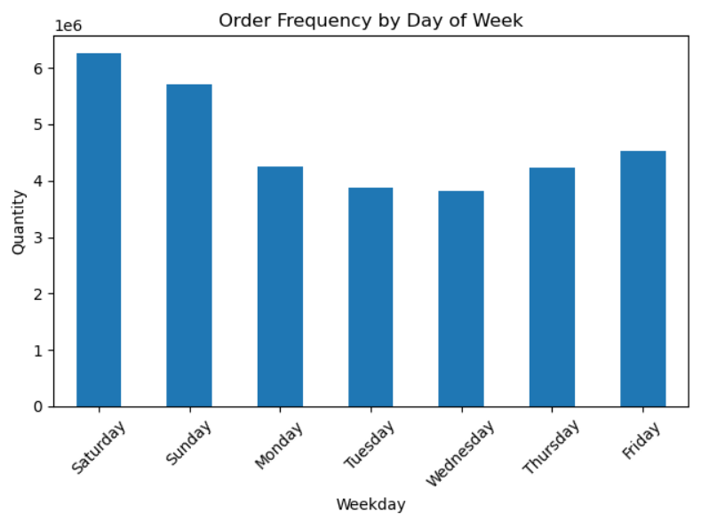
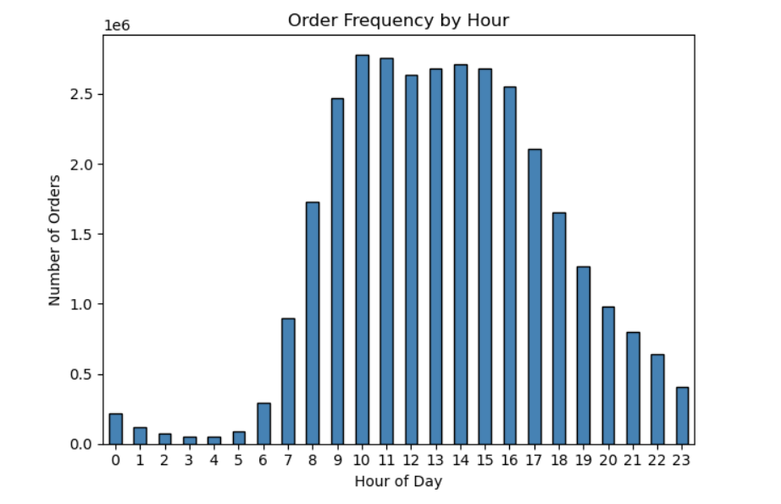
 |  |  |  | ○ Isthere aconnection between age and family status in terms of ordering habits?
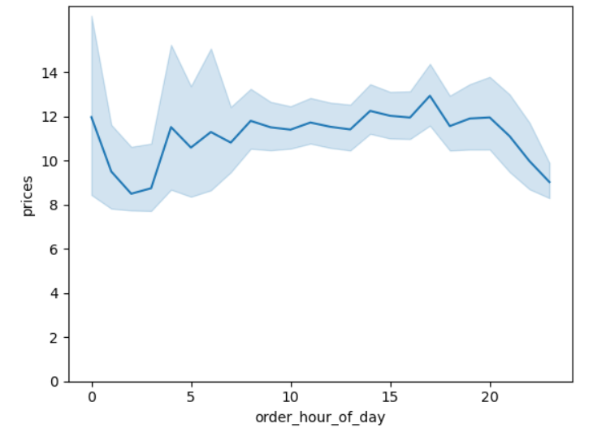
 |  |  |  | ○ Whatdifferent classifications does the demographic information suggest? Age? Income? Certain types of goods? Family status?
 |  |  |  | ○ Whatdifferences can you find in ordering habits of different customer profiles? Consider the price of orders, the frequency of orders, the products customers are ordering, and anything else you can think of

 |  |  | People mostly go shopping (place most orders) during weekends.
 |  |  | The peak shopping hours per day are between 10 a.m. And 4 p.m.

2. Are there certain types of products that are more popular than others? The marketing and sales teams want to know which departments have the highest frequency of product orders.

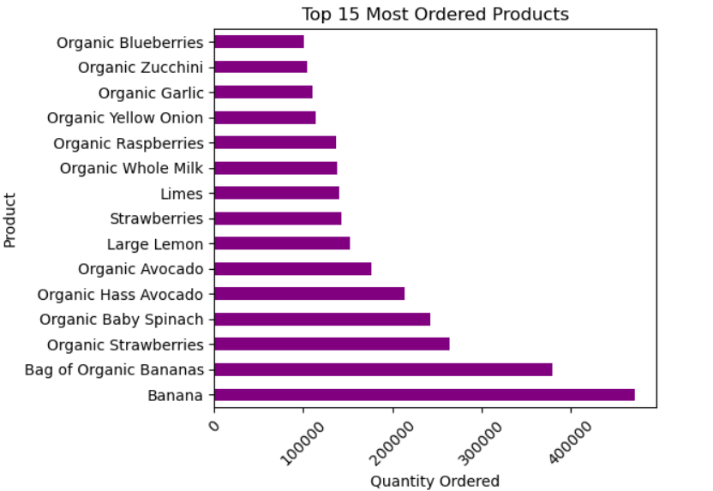

 | Bananas , strawberries and baby spinach are the most popular products.

3. Instacart has a lot of products with different price tags. Marketing and sales want to use simpler price range groupings to help direct their efforts.

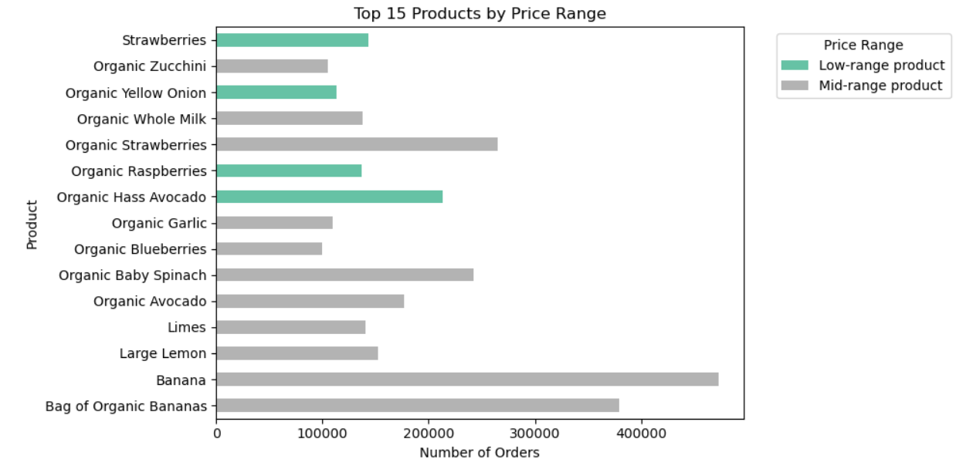

 | All products could be categorized into price ranges.
 | There are no high range products in the chart, however we can see
 | that strawberries and organic hass avocado are the least expensive
 | products from the 15 chosen.

4. What’s the distribution among users in regards to their brand loyalty (i.e., how often do they return to Instacart)?
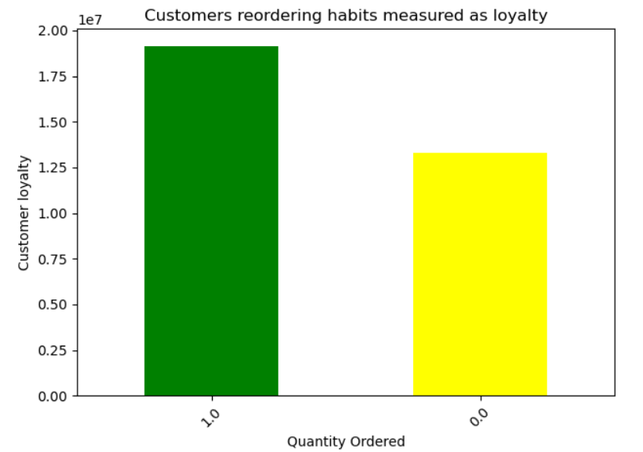
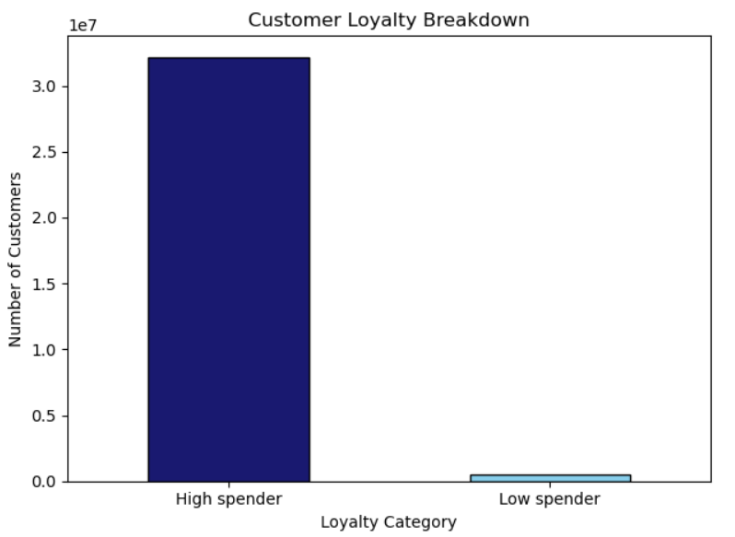

 | Customers mostly reorder products they have bought, but not always.
 | It would be interesting to understand what products are being reordered.
 | There is space for improvement.
 | Mostly high spenders use Instacart.

5. Are there differences in ordering habits based on a customer’s region?
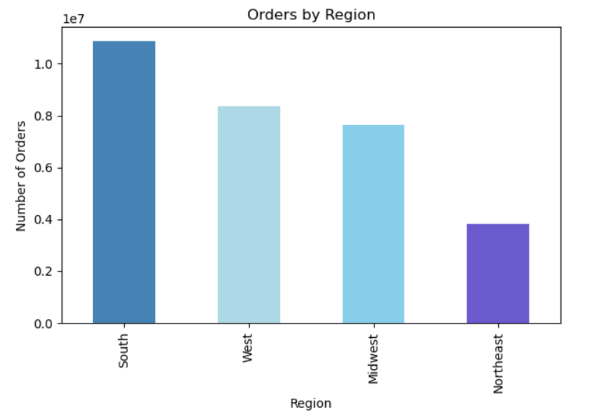
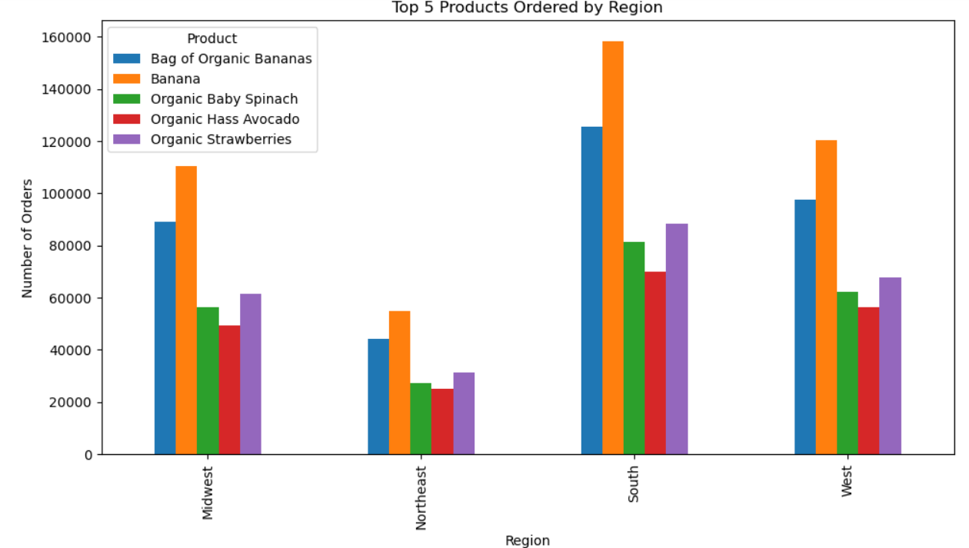

 | Yes, ordering habits differ between regions. Most orders are placed
 | in the Southern States in the U.S, and least orders in Northeast.
 | There are also differences in the ordering habits between products in
 | different regions.

6. Is there a connection between age and family status in terms of ordering habits?

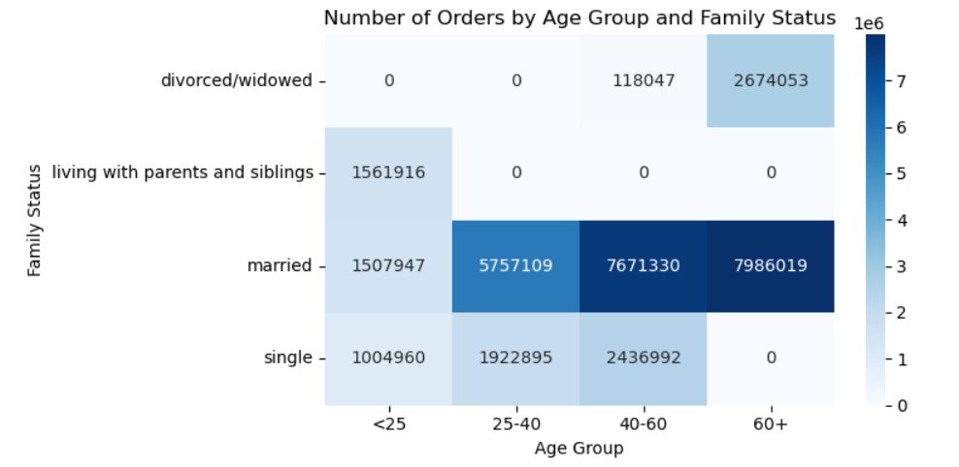

 | There is a connection between ordering habits and family status. Married
 | couples order more, and they spend more money the older they are.
 | Singles on the other hand spend most between 40 and 60 years old. They
 | spend the least as single 60+.

7. What different classifications does the demographic information suggest? Age? Income? Certain types of goods? Family status?
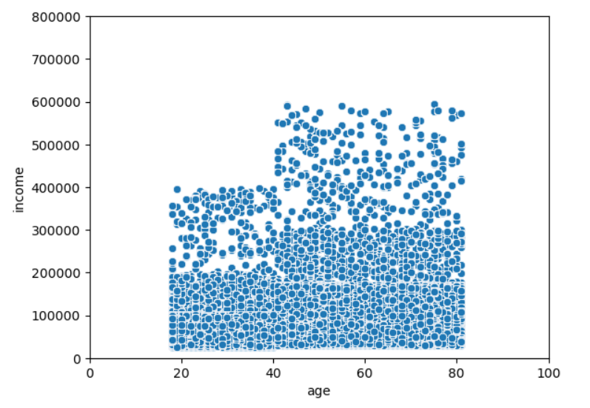

 | People earn most between 40 and 80 years old, hence can spend more when shopping.
 | In the Northeast, the top 5 products are purchased the least.

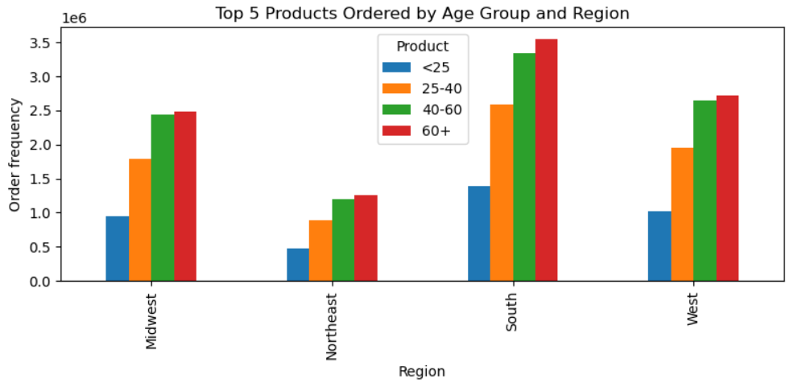

8. What differences can you find in ordering habits of different customer profiles? Consider the price of orders, the frequency of orders,
the products customers are ordering, and anything else you can think of.

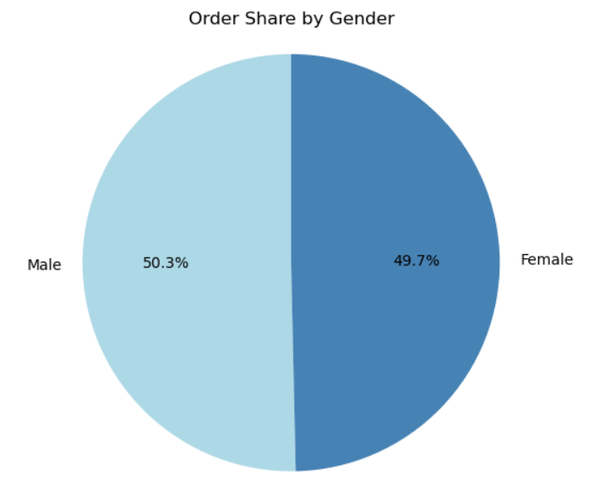
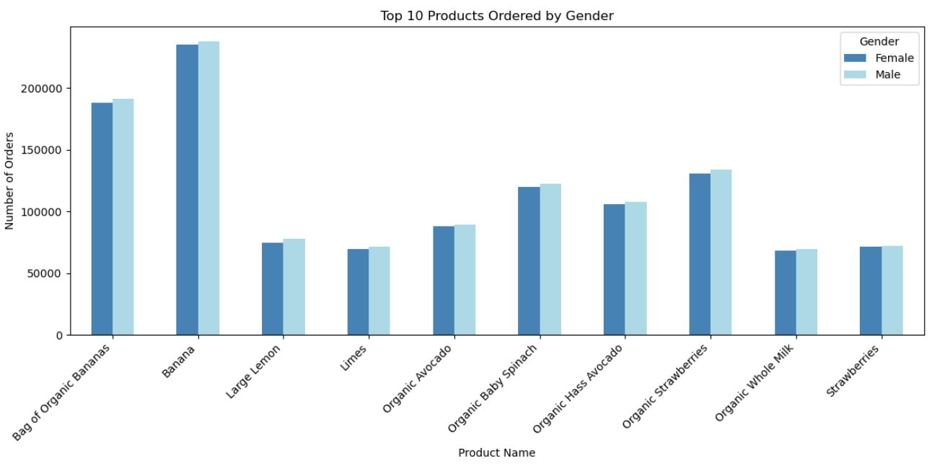

 |  | Ordering habits between genders seem very even. The same products
 |  | are ordered and there are no big differences in order frequency.

7. Recommendations
 |  |  | Title page

Recommendations

In this tab you should include any recommendations you would made to Instcart in terms of their marketing strategy based on the questions posed in the brief. Every key question has been covered in the Tasks of the Exercises - here you need to add an item - a visualisation or table/crosstable that is showing the answer in the data, acompanied by a comment from you. Please, list the questions below and add the answer underneath.

Question | Analysis | Recommendations:
1. What are the busiest times of the day and days of week? When do people spend most money? | Most orders are done between 10 a.m. and 3-4 p.m. | Marketing efforts should be intensified for evening sales. Introduce a sell out of for example fruit and groceries that have to be consumed in early mornings. This might sell products that are not so easy to sell and appreciated by people with a low budget.
 | Shopping habits are concentrated to Saturday and Sunday, with an increase Fridays.

2. Are there certain types of products that are more popular than others? The marketing and sales teams want to know which departments have the highest frequency of product orders. | There are products that have a higher order frequency than other products. Bananas, strawberreis and baby spinach for example. It is interesting to note that organic products are very popular in general. | Promote products that are less popular. Create focused marketing events, "in shop" tasting events or areas, price campaigns. Plan inventory levels to correspond to the high demand of certain products.
3. Instacart has a lot of products with different price tags. Marketing and sales want to use simpler price range groupings to help direct their efforts. | "Mid-range" products are overrepresented. | Focus marketing efforts on "low-range and "high-range / priced" products. Create personalized campaigns for people with lower and higher incomes for example, since these could be interested in the cheaper and more expensive products.
4. What’s the distribution among users in regards to their brand loyalty (i.e., how often do they return to Instacart)? | Customers mostly reorder products that they have already bought, but they also do not do that quite frequently. High spenders are over-represented amongst the clients of Instacart. | The major part of Instacarts clientele seems to be people that can spend more. Investigate what products that are not being re-purchased. Increase sales efforts for low spenders. Create campaigns on days when the shop is not visited as frequently as during weekends for example.
5. Are there differences in ordering habits based on a customer’s region? | Yes, ordering habits differ between regions. Most orders are placed in the Southern States of the U.S., and least orders in the Northeast. There are also differences in ordering habits between products in different regions. | Implement additional sales efforts in the Northeast. Create focused campaings depending on how the ordering habits of products are in different regions since marketing efforts probably will have different success rates depending on what State / Region they are implemented in.
6. Is there a connection between age and family status in terms of ordering habits? | There is a connection between ordering habits and family status. Married couples order more, and they spend more money the older they get. Singles on the other hand spend most between 40 and 60 years old. They spend the least as singles 60+. | Create a marketing effort for singles 60+ to make them purchase more. Invite them one day per week when customer visits are not so frequent, and lower prices on certain products.
7. What different classifications does the demographic information suggest? Age? Income? Certain types of goods? Family status? | The older a person is, and if married or not, the higher the order frequency is. What goods are ordered differ between regions in quantity, but the frequency is following a pattern. People that are 25 or younger are not a big customer group for Instacart. There are customers with high salaries represented. No difference in ordering frequency depending on gender. | Perform a calculation where the ordering quantities are put together with population data, to see if the ratio is similar or not between regions. Focus on marketing campaigns for people that are 25 or younger. Low cost products? Focus on marketing campaings for high end products since there is a customer base for this? Fresh meat and fish products for example. Extend the analyis of genders to include more products. Are there any products that are ordered more or less based on gender? There should be so maybe something interesting would come up (except for the obvious ones).

